Cover


SPECIFICATION FOR APPROVAL

Customer : | Insyde
Description : | UART Protocol for BMC application
Auras Model No. : | -

REV. | Date | Author | Status
1.00 | 2024-12-13 | Charles | Draft
1.01 | 2024-12-18 | Wendy | Add Sheet "Config整合"
1.02 | 2024-12-14 | Charles | 1. Modify "Minimum Transmission Time", B or H -> C 50ms 2. Modify "Error Event", Leakage Error Code 3. Add "Error Event", PSU Error Code 4. Modify "CDU Auto / Manual Mode Set", Target Flow byte nums
1.03 | 2025-01-13 | Charles | 1. Add "Set Configuration", 0xE0~0xE3,0xEF
1.04 | 2025-01-24 | Charles | 1. Modify "Error Event", Pump Error Code 2. Add "Error Event", PT-100 Eror Code 3. Modify "Error Event", FAN Row/Group Error Code 4. Modify "Error Event", PSU Error Code 5. Modify "FAN Door Info."
1.05 | 2025-02-08 | Charles | 1. Add "Set Configuration", 0xE4,0xEE
1.06 | 2025-02-24 | Charles | 1. Add "CDU Target Command Information"
1.07 | 2025-03-05 | Wendy | 1. Add Redfish Name 2. Add Web control Name
1.08 | 2025-03-06 | Wendy | 1. Revise Level Sensors state 2. Add fix Max & Min value
1.09 | 2025-03-18 | Wendy | 1. Revise Max Value以及Min Value
1.10 | 2025-03-20 | Wendy | 1. ADD Asking frequency
1.11 | 2025-03-26 | Wendy | 1. Modify the flow unit 2. Modify the Alarm_max setting, the lower limit of the flow rate, and the unit 3. Modify the lower limit value of MCU 4. Add DP
1.12 | 2025-04-01 | Wendy | 1. Added BMC IP Address Information 2.CDU Serial Number Information 3. Modify the flow, Pressure, Air_Velocity unit
1.13 | 2025-04-10 | Wendy | 1. Modify pressure, flow and FAN Door Information item of the Redfish Name page 2. Pumps Information ,RPM item of the Redfish Name page and Application Command ID page
1.14 | 2025-04-11 | Wedny | Added New requirements for solution A page
1.15 | 2025-04-17 | Wendy | 1.Modify Fan RPM 2. Added Remark for solution A page 3. Modify Application_Command_ID
1.16 | 2025-04-25 | Wendy | 1.Modify CDU Auto / Manual Mode Set for Application_Command_ID page 2. Modify Max Value and Alarm_max for Redfish_Name 3. Modify New requirements for solution A page

CDU_Bootloader_Command_ID
BMC
CDU
UART
Payload: n bytes
Entry Bootloader
Entry command(ex. 0x50, 0x80)
Return Bootloader ACK
Bootloader information(ex. 0x01, 0x03,0x64)
Erase Flash
Erase command(ex. 0x02)
Return Erase Flash ACK
Erase Flash OK(ex. 0x02)
Application
Bootloader
Program firmware n Payload
Program command(ex. 0x03, 0x02, 0x00,…,0xA4)
Return Program Flash ACK
Program Flash OK(ex. 0x03)
Read CRC16
Read CRC16 command(ex. 0x04, addr, length, crc16)
Return CRC16 ACK
CRC16 command(ex. 0x04, crc16)
Check Application information
Read command(ex. 0xF3, 0x01)
Exit Bootloader
Exit command(ex. 0x05)
Return Application ACK
Application command(ex. 0xF3, 0x03, 0x65, 0x03, 0x64)
Application
Check Bootloader information
Read command(ex. 0x01)
Application Command ID
 | Physical Layer
 | Symbol | Value
 | Baud Rate | 115200
 | Parity Bit | None
 | Data Bit | 8
 | Stop Bit | 1
 | Basic Frame
 | Byte Index | 0 | n
 | Data | Handle Command | Program Payload

 |  | < Request > |  |  |  | < Reply >
1 | Handle Command
 | Query (0x01) | Bootloader Version Information
 |  | Host: |  |  |  | CDU:
 |  | Byte Index | Content | Comment |  | Byte Index | Content | Comment
 |  | 0 | Command ID | As title |  | 0 | Command ID | As title
 |  |  |  |  |  | 1 | Bootloader Version
 |  |  |  |  |  | 2 | Bootloader Reversion
 | Query (0x02) | Erase Flash
 |  | Host: |  |  |  | CDU:
 |  | Byte Index | Content | Comment |  | Byte Index | Content | Comment
 |  | 0 | Command ID | As title |  | 0 | Command ID | As title
 | Query (0x03) | Program Flash
 |  | Host: |  |  |  | CDU:
 |  | Byte Index | Content | Comment | Remark | Byte Index | Content | Comment
 |  | 0 | Command ID | As title | https://en.wikipedia.org/wiki/Intel_HEX | 0 | Command ID | As title
 |  | 1 | intel HEX File | 1. Remove start code ' : ' 2. Split into Byte 3. Max. n = 500
 |  | 2
 |  | 3
 |  | …
 |  | n
 | ex. | if program payload n = 28
 |  | Byte Index | Byte Data Hex
 |  | 0 | 0x03
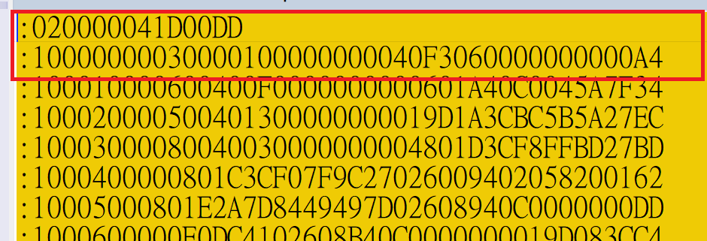
 |  | 1 | 0x02
 |  | 2 | 0x00
 |  | 3 | 0x00
 |  | 4 | 0x04
 |  | 5 | 0x1D
 |  | 6 | 0x00
 |  | 7 | 0xDD
 |  | 8 | 0x10
 |  | …
 |  | 28 | 0xA4
 | Query (0x04) | Read CRC16 Command
 |  | Host: |  |  |  | CDU:
 |  | Byte Index | Content | Comment | Remark | Byte Index | Content | Comment
 |  | 0 | Command ID | As title | Address Range: 0x9D000000~0x9D0FF000 The Read CRC command is used to verify the content of the program Flash after programming. | 0 | Command ID | As title
 |  | 1 | Program Address | 0x00 |  | 1 | CRC16 | LSB
 |  | 2 |  | 0x00 |  | 2 |  | HSB
 |  | 3 |  | 0x00
 |  | 4 |  | 0x9D
 |  | 5 | Program Data Length | 0x00
 |  | 6 |  | 0xF0
 |  | 7 |  | 0x0F
 |  | 8 |  | 0x00
 |  | 9 | CRC16 | LSB
 |  | 10 |  | HSB
 | Query (0x05) | Exit Bootloader Command
 |  | Host:
 |  | Byte Index | Content | Comment | Remark
 |  | 0 | Command ID | As title | see ' Application Command ID '

網頁控&制端
Application Command ID

3 | Setting Mode
 | Modify (0x01) | CDU Auto / Manual Mode Set
 | 控制 | Host: |  |  |  | CDU:
 |  | Byte Index | Content | Comment | Remark | Byte Index | Content | Comment
 |  | 0 | Command ID | As title |  | 0 | Command ID | As title
 |  | 1 | Set Mode | 0, 1 = Auto 2, 3, 4 = Auto + Manual 255 = Manual | 0 = TMP + PSR Auto Mode -> byte index 2 + 3 1 = TMP + Flow Auto Mode -> byte index 2 + 4~5 2 = TMP Auto + Pump PWM Manual -> byte index 2 + 7~9 3 = PSR Auto + Valve/FAN PWM Manual -> byte index 3 + 6 / 10~11 / 12~16 4 = Flow Auto + Valve/FAN PWM Manual -> byte index 4~5 + 6 / 10~11 / 12~16 255 = Manual Mode -> byte index 6~16 < Target Range > Temperature: 0 ~ 80 (°C) Pressure: 0 ~ 100 (psi) Flow: 10 ~ 400 (cm/s) | 1 | Set Mode | 0, 1 = Auto 2, 3, 4 = Auto + Manual 255 = Manual
 |  | 2 | Target Temperature
 |  | 3 | Target Pressure
 |  | 4 | Target Flow | LSB
 |  | 5 |  | HSB
 |  | 6 | Valve Gate | 0 ~ 100 (%)
 |  | 7 | Pump 1 PWM
 |  | 8 | Pump 2 PWM
 |  | 9 | Pump 3 PWM
 |  | 10 | FAN Row A PWM
 |  | 11 | FAN Row B PWM
 |  | 12 | FAN Group 0 PWM | 0 ~ 100 (%)
 |  | 13 | FAN Group 1 PWM
 |  | 14 | FAN Group 2 PWM
 |  | 15 | FAN Group 3 PWM
 |  | 16 | FAN Group 4 PWM

 | 網頁名稱

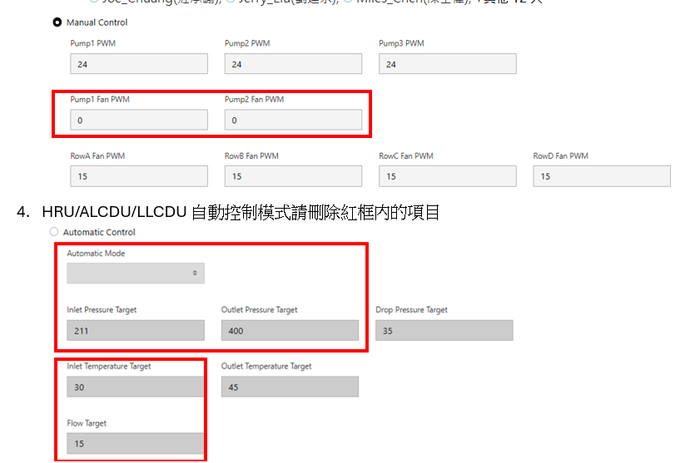
 | Manual Control |  | Application Command ID | Byte Index
 | AL | Pump PWM | 0x01 | Index 7/8
 |  | Fan PWM | 0x01 | Index 10/11

 | LL | Pump PWM | 0x01 | Index 7/8/9
 |  | Primary Valve Value | 0x01 | Index 6

 | HRU | Pump PWM | 0x01 | Index 7/8/9
 |  | Fan PWM | 0x01 | Index 12/13/14/15/16

 | Automatic Control
 |  | Target Temperature
(下拉選單) | Constant Pressure Drop | Target Pressure Drop | 0x01 | Index 2/3
(下拉選單) | Flow | Target Flow | 0x01 | Index 2/4/5

6 | Set Configuration
 | Query (0xE0) | Pressure Sensors Max/Min Alarm Configuration
 |  | Host: |  |  |  | CDU:
 |  | Byte Index | Content | Web name | Remark | Byte Index | Content | Comment
 |  | 1 | Return Pressure 1 Max | Pressure Liquid Return Max | Unit: 0.01 psi Format: uint16 Range: 0 ~ 10000
 |  | 3 | Return Pressure 1 Min | Pressure Liquid Return Min
 |  | 5 | Supply Pressure 2 Max | Pressure Liquid Supply Max
 |  | 7 | Supply Pressure 2 Min | Pressure Liquid Supply Min
 |  | 9 | Primary Inlet Pressure 3 Max | Pressure Primary Inlet Max
 |  | 11 | Primary Inlet Pressure 3 Min | Pressure Primary Inlet Min
 |  | 13 | Primary Outlet Pressure 4 Max | Pressure Primary Outlet Max
 |  | 15 | Primary Outlet Pressure 4 Min | Pressure Primary Outlet Min

 | Query (0xE1) | Temperature Sensors Max/Min Alarm Configuration
 |  | Host: |  |  |  | CDU:
 |  | 0 | Command ID | Web name |  | 0 | Command ID | As title
 |  | 1 | MCU Temperature Max | Temperature MCU Max | Unit: 0.01 °C Format: int16 Range: -2500 ~ 10000
 |  | 3 | MCU Temperature Min | Temperature MCU Mim
 |  | 5 | PT-100 Temperature 1 Max | Temperature Liquid Return Max | Unit: 0.01 °C Format: int16 Range: -4000 ~ 12500
 |  | 7 | PT-100 Temperature 1 Min | Temperature Liquid Return Min
 |  | 9 | PT-100 Temperature 2 Max | Temperature Liquid Supply Max
 |  | 11 | PT-100 Temperature 2 Min | Temperature Liquid Supply Min
 |  | 13 | PT-100 Temperature 3 Max | Temperature Primary Inlet Max
 |  | 15 | PT-100 Temperature 3 Min | Temperature Primary Inlet Min
 |  | 17 | PT-100 Temperature 4 Max | Temperature Primary Outlet Max
 |  | 19 | PT-100 Temperature 4 Min | Temperature Primary Outlet Min
 |  | 21 | Supply Flow Temperature Max | Temperature Flow Supply Max | Unit: 0.01 °C Format: int16 Range: -2500 ~ 15000
 |  | 23 | Supply Flow Temperature Min | Temperature Flow Supply Min
 |  | 25 | Primary Outlet Flow Temperature Max | Temperature Flow Primary Outlet Max
 |  | 27 | Primary Outlet Flow Temperature Min | Temperature Flow Primary Outlet Min

 | Query (0xE2) | Flow Sensors Max/Min Alarm Configuration
 |  | Host: |  |  |  | CDU:
 |  | Byte Index | Content | Web name | Remark | Byte Index | Content | Comment
 |  | 2 | Supply Flow Max | Flow Liquid Max
 |  | 3 | Supply Flow Min | Flow Liquid Min
 |  | 5 | Primary Outlet Flow Max | Flow Primary Max
 |  | 7 | Primary Outlet Flow Min | Flow Primary Min

 | Query (0xE3) | Pumps/FANs Speed Max/Min Alarm Configuration
 |  | Host: |  |  |  | CDU:
 |  | Byte Index | Content | Web name | Remark | Byte Index | Content | Comment
 |  | 1 | Pump Speed Max | Pump Speed Max | Unit: RPM Format: uint32 Range: 0 ~ 99999
 |  | 5 | Pump Speed Min | Pump Speed Min
 |  | 9 | Fan Speed Max | Fan Speed Max
 |  | 13 | Fan Speed Min | Fan Speed Min

 | Query (0xE4) | Auto Control Max/Min Alarm Configuration
 |  | Host: |  |  |  | CDU:
 | 控制 | Byte Index | Content | Web name | Remark | Byte Index | Content | Comment
 |  | 1 | Temperature Command Ratio Range | Temperature Command Ratio Range
 |  | 2 | Pressure Command Ratio Range | Pressure Command Ratio Range
 |  | 3 | Flow Command Ratio Range | Flow Command Ratio Range

方案A新需求
優先權排序整理如下:
連結 | 1. BMC 要將 IP address pass 給 CDU. (需定流程或由 Insyde 自行設計) (這是這次合約內的吧)
連結 | 2. CDU 長時間沒回應時, BMC 要嘗試 reset CDU
連結 | 3.Error Event 部份
連結 | 4.Firmware Version Information
連結 | 5. 記憶上一次使用者輸入的資訊
連結 | 6.可讓使用者輸入Alarm_max, Alarm_min(包含流量，pump，風扇，自動控制模式下設定的alarm)
連結 | 7.一次性config (Max Min) 自動控制，系統，sensor類
連結 | 8.log資料出來的圖表 (要寫細節)
連結 | 9.Firmware Update_去更新我們的韌體
連結 | 10.網頁我們可以指定我們要的單位
連結 | 11.SMTP
連結 | 12.網頁更新頻率(1S)
連結 | 13.可以讓insyde知道是哪個機種? EEPROM
連結 | 14.BMC要告知mcu目前2600的版本為何種機種以及版本號

首頁 | 1. BMC 要將 IP address pass 給 CDU. (需定流程或由 Insyde 自行設計) (這是這次合約內的吧)

首頁 | 2. CDU 長時間沒回應時, BMC 要嘗試 reset CDU
 |  |  |  |  |  | 04/11: 只需要在 application state 做

首頁 | 3.Error Event 部份
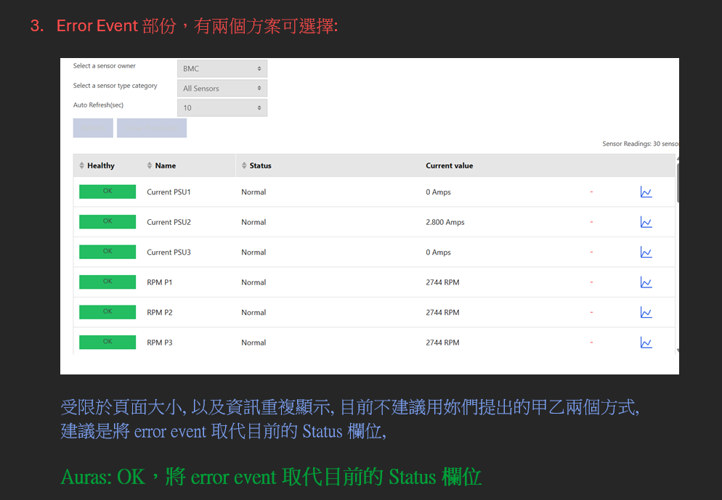

首頁 | 4.Firmware Version Information
 |  | 參照protocol “Application_Command_ID”分頁的Common “0xF2” , “0xF3” |  |  | 連結 |  | 04/11: 在 BMC init, after BMC update CDU complete, after BMC reset CDU 時, 向 CDU 拿取該資訊
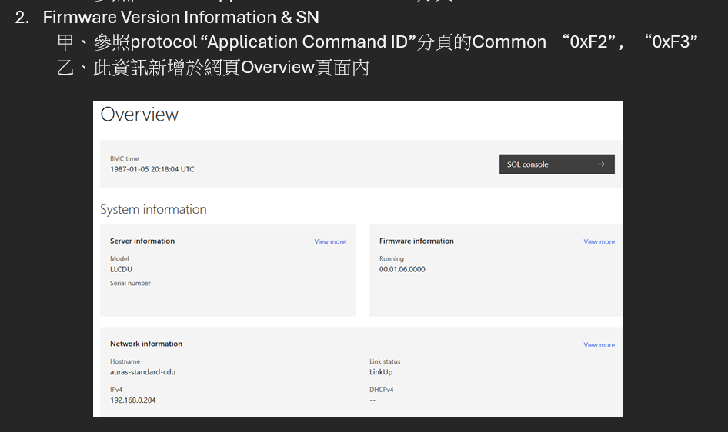

首頁 | 5. 記憶上一次使用者輸入的資訊
 |  | 按照 protocol “依序的”將目前 BMC 紀錄的數值存到 .csv, 會花較多工時, |  |  | = >不須"依序"只要Sensor都有輪到就可以 |  |  | 04/11: 在 BMC init, after BMC update CDU complete, after BMC reset CDU, user modify 時 restore CDU setting
 |  | 參照"Redfish_Name"分頁的C欄位，扣除掉一次性項目(Firmware Version Information)
 |  | 例如: | Time, Pr_Liq_Return, Pr_Liq_Supply, Pr_Liq_DP, Pr_Primary_In, Pr_Primary_Out, Temp_Air_Temp_In, ,Temp_Air_Temp_Out, Temp_Liq_Return, Temp_Liq_Supply, Temp_MCU, Temp_Pri_In, Temp_Pri_Out, Temp_Flow_Sup, Temp_Pri_Out, Flow_Supply, Flow_Pri_Out, Primary_Valve, Water_Detect_1, Water_Detect_2, Water_Detect_3, Water_Detect_4, Water_Detect_5, Water_Detect_6, Tank_Level, RPM_P1,RPM_P2, RPM_P3, PWM_P1, PWM_P2, PWM_P3, RPM_RowA_F1, RPM_RowA_F1, RPM_RowA_F2, RPM_RowA_F3, RPM_RowA_F4, RPM_RowA_F5, .....,Current_FDoor_E1, Current_FDoor_E2, Current_FDoor_E3, Current_FDoor_E4,Air_Velocity_E, Temp_Air_In_E, Temp_Air_Out_E
 |  |  | 10:00:00,400, 200, 150, 300, 200, 50,....,10, 20, 34

首頁 | 6.可讓使用者輸入Alarm_max, Alarm_min(包含流量，pump，風扇，自動控制模式下設定的alarm)
 |  | 此部分是會從網頁上讓使用者輸入想要設定的Alarm值，把設定的值下給MCU所以，BMC不會去Get
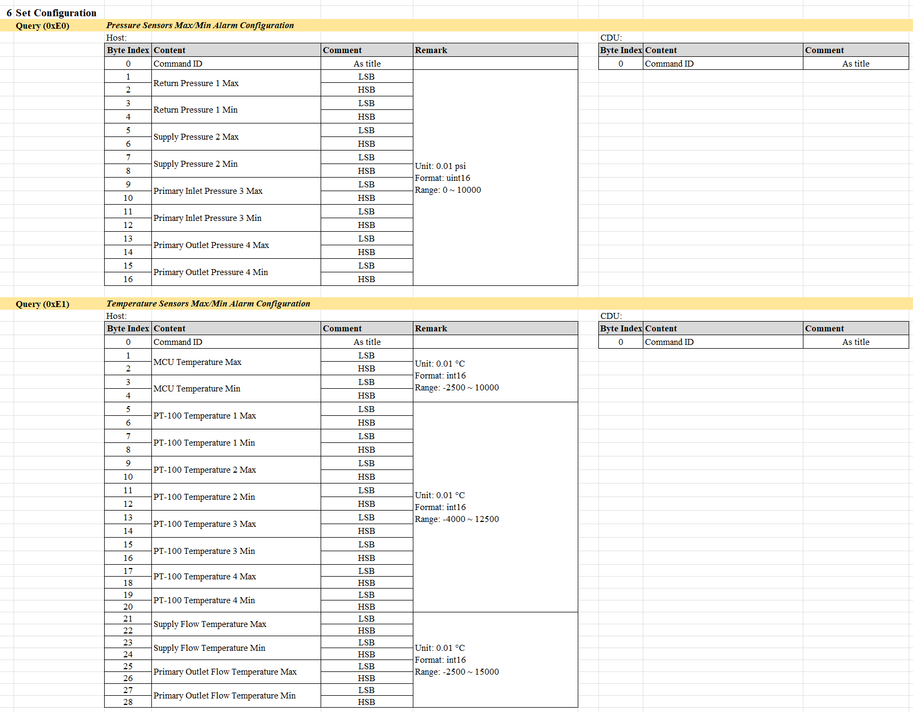
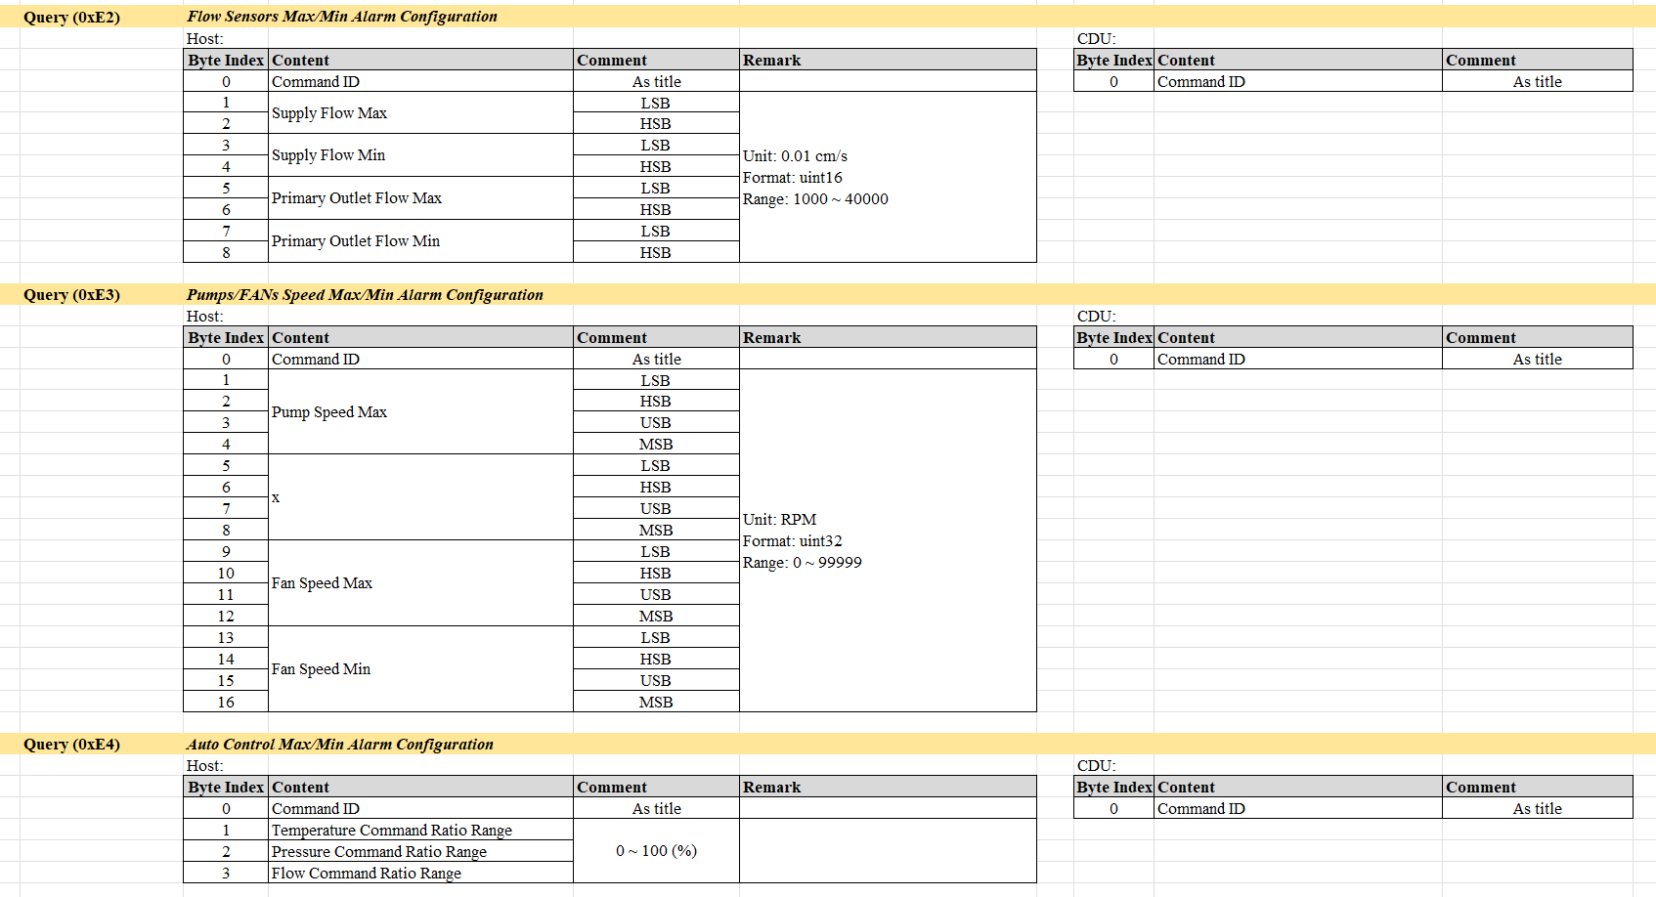

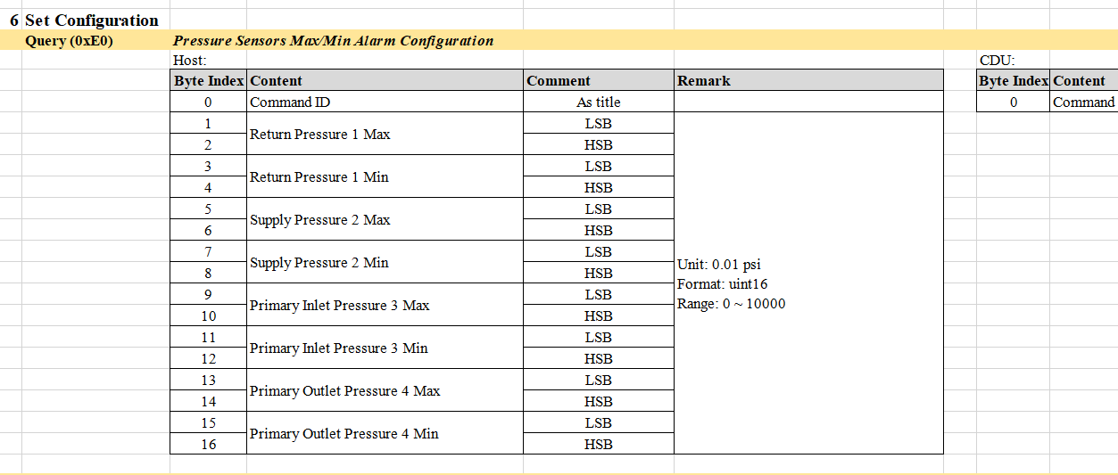
首頁 | 7.一次性config (Max Min) 自動控制，系統，sensor類
 |  | 1 | Sensor類參照"Redfish Name"的"Max Value"以及"Min Value" |  | 連結
 |  | 2 | Set Configuration (0x01)
 |  | 3 | Setting Mode (0xE0),(0xE1), (0xE2), (0xE3), (0xE4)


首頁 | 8.log資料出來的圖表 (要寫細節) |  |  |  | 04/16_insyde: Type 選單是否為各類 sensor? 類似 Temperature, RPM sensor 等等? 依單位區分?
 |  |  |  |  |  | Auras answer: 我們需要可以選擇要顯示圖表上的sensor (可勾選)
 | 1. 需要明確指出那哪些, 因就正常來說 Application Version 不會拿來做成圖表 |  |  |  |  |  | 情境: 我們可能想看MCU Temperature，Supply Flow ，以及Supply Pressure 的變化，所以要可勾選
 | ( 若後續提供的 document 有新增新的需要顯示的, 會視為新需求, 並重估工時及 Target Date )
 | Auras : 是的，這個不會拿來做成圖表，圖表就用你預設的
 | 2. 需就 CSV 內容, 詳細說明欲顯示格式.
 | 例如: | Time, Pr_Liq_Return, Pr_Liq_Supply, Pr_Liq_DP, Pr_Primary_In, Pr_Primary_Out, Temp_Air_Temp_In, ,Temp_Air_Temp_Out, Temp_Liq_Return, Temp_Liq_Supply, Temp_MCU, Temp_Pri_In, Temp_Pri_Out, Temp_Flow_Sup, Temp_Pri_Out, Flow_Supply, Flow_Pri_Out, Primary_Valve, Water_Detect_1, Water_Detect_2, Water_Detect_3, Water_Detect_4, Water_Detect_5, Water_Detect_6, Tank_Level, RPM_P1,RPM_P2, RPM_P3, PWM_P1, PWM_P2, PWM_P3, RPM_RowA_F1, RPM_RowA_F1, RPM_RowA_F2, RPM_RowA_F3, RPM_RowA_F4, RPM_RowA_F5, .....,Current_FDoor_E1, Current_FDoor_E2, Current_FDoor_E3, Current_FDoor_E4,Air_Velocity_E, Temp_Air_In_E, Temp_Air_Out_E
 |  | 10:00:00,400, 200, 150, 300, 200, 50,....,10, 20, 34
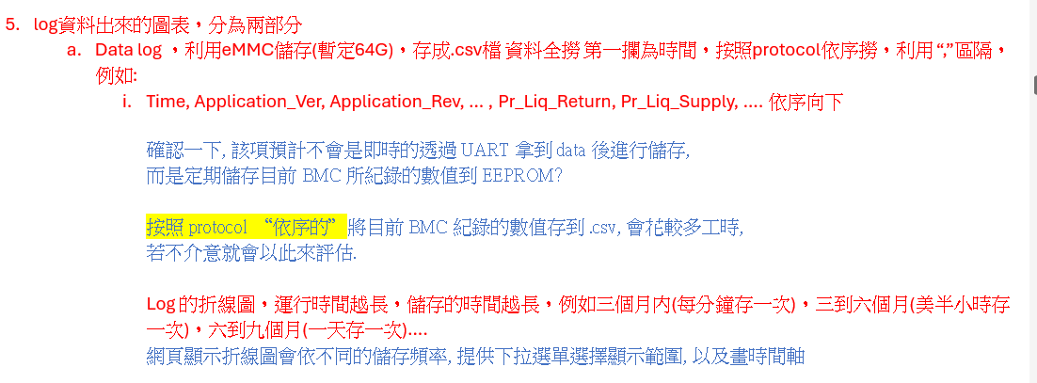

 |  |  |  |  |  |  |  |  |  |  | 此畫面依照Sensor類型去做區分，但使用者可勾選想要的項目

首頁 | 9.Firmware Update_去更新我們的韌體 |  |  |  | 04/11: 只需參照目前 Excel 流程做即可, 額外的錯誤處理待之後視為新需求來做
 | 根據"CDU_Bootloader_Command_ID"分頁進行做動即可 |  |  | 連結

首頁 | 10.網頁我們可以指定我們要的單位 |  |  |  |  |  |  |  |  | 溫度 | 壓力 | 流量
 |  |  |  |  |  |  |  |  | protocol單位 | °C | kPa | L/s
 |  |  |  |  |  |  |  |  | 網頁單位 | °C | kPa | LPM=L/s×60
 |  |  |  |  |  |  |  |  |  | °F=(°C×59​)+32 | psi=kPa×0.145038 | GPM(美規的)=L/s×15.8503
 |  |  |  |  |  |  |  |  | 此選項是由控制頁面有下拉選單 選擇單位，網頁的Sensor readings以及需求五的圖表的單位都要跟著變化
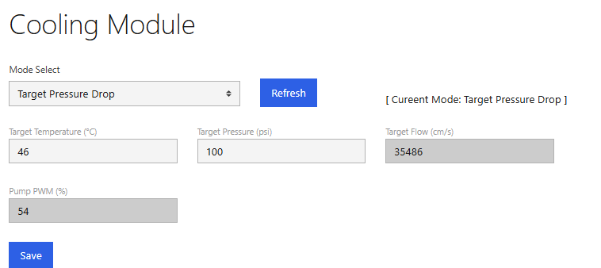
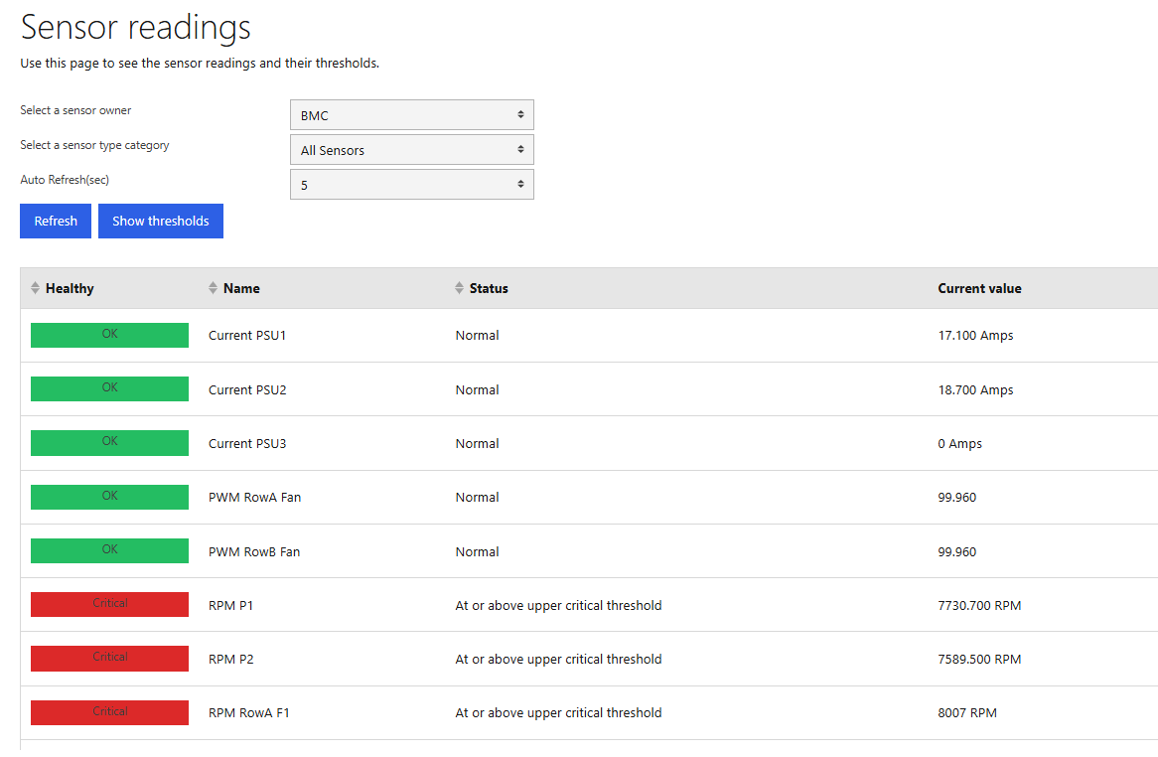
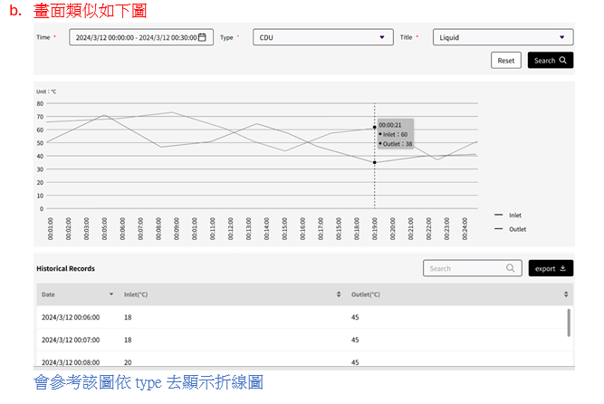

首頁 | 11.SMTP
 | 此項目已包含在Insyde既有的系統內了

首頁 | 12.網頁更新頻率(1S)

首頁 | 13.可以讓insyde知道是哪個機種? EEPROM
 | 此功能先進行按照FRU的格式進行，機種判定格式資料候補

首頁 | 14.BMC要告知mcu目前2600的版本為何種機種以及版本號

